Week 1
Group |  |  | Template url on | 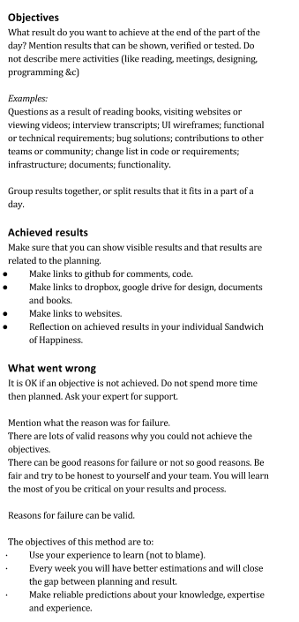
Start date |  |  | https://goo.gl/ujD5Al
End date |  |  | http://theotheunissen.nl/results

 | Planning before |  | Accountability after
 | who | what | results
Monday morning | Alice | Set up infrastructure | link to document
 | Bob | List of concepts and literature | link to document
 | Charlie | Login form | link to git commit
 | Dave | CSS framework selection | Not successful. Too many options. Smaller step to decide first about an easy framework or advanced framework.
Monday afternoon

Monday evening

Tuesday morning

Tuesday afternoon

Tuesday evening

Wednesday morning

Wednesday afternoon

Wednesday evening

Thursday morning

Thursday afternoon

Thursday evening

Friday morning

Friday afternoon

Friday evening

Saturday evening

Saturday evening

Saturday evening

Sunday evening

Sunday evening

Sunday evening

